Sheet1

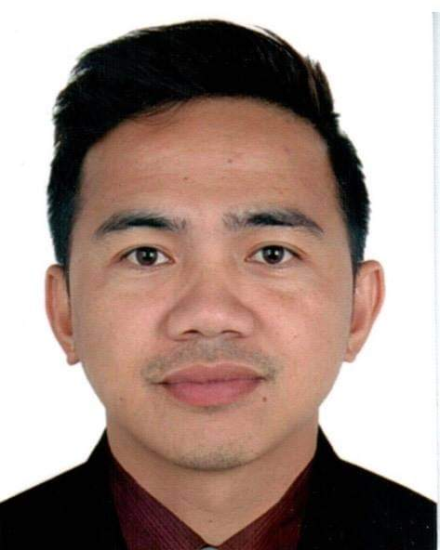 PICTURE HERE |  | Registration Form

DATE: | 14-Aug-21 |  |  |  |  |  | MEMBER CODE:
MEMBER PERSONAL DETAILS
FAMILY NAME: |  | MABALA |  |  |  | BIRTHDATE(mm/dd/yy): |  |  | 06/22/87
FIRST NAME: |  | ELDRIGE JUNE |  |  |  | AGE: | 34
MIDDLE NAME: |  | PELAYO |  |  |  | BIRTHPLACE: |  | KABACAN, COTABATO
SUFFIX:
NICK-NAME: |  | EJ/JUN |  |  |  | GENDER: | MALE
POSITION: |  | THIRD OFFICER |  |  |  | STATUS: | MARRIED
MANNING COMPANY: |  |  | FOSCON SHIPMANAGEMENT INC.
CONTACT PERSON: |  | LYRA MAE N. MABALA |  |  |  | CONTACT NUMBER: |  | 9358286055
MEMBER CONTACT DETAILS
PERMANENT ADDRESS: |  |  | LOT A, PRK PAGKAKAISA, BRGY SAN ISIDRO, KORONADAL CITY

EMAIL ADDRESS: |  | eldrige_june@yahoo.com |  |  | FACEBOOK/MESSENGER: |  |  | ELdrige June
CONTACT NUMBER: |  | 9271707620

ADDRESS IN MANILA (IF RESIDING IN PROVINCE) |  |  |  |  |  | 1767 ANTONIO RIVERA ST. TONDO MANILA

MEMBER EMERGENCY CONTACT DETAILS
CONTACT NAME AND ADDRESS IN CASE OF ACCIDENT:
FULL NAME: |  | LYRA MAE N. MABALA |  |  |  | RELATIONSHIP TO THE MEMBER: |  |  | WIFE
ADDRESS: |  | 1767 ANTONIO RIVERA ST. TONDO MANILA
CONTACT NUMBER: |  |  | 9358286055 |  |  | EMAIL ADDRESS: |  | lyramae@gmail.com
AGE: | 25 |  |  | BIRTHDATE: mm/dd/yyy |  | 07/19/96 |  | GENDER: | FEMALE

MEMBER BENEFICIARIES
NAME |  |  |  | RELATION |  | BIRTHDATE mm/dd/yyyy |  | AGE
LYRA MAE N. MABALA |  |  |  | WIFE |  | 07/19/96 |  | 25

REFERRED BY: |  | Allan Fernandez Jr.

I HEREBY CONFIRMED THAT THE ABOVE DETAILS IS TRUE AND CORRECT

 |  |  |  |  |  | ELDRIGE JUNE P. MABALA
FORM-001-2019(Rev.0) |  |  |  |  |  | SIGNATURE
HMI

